Index Match
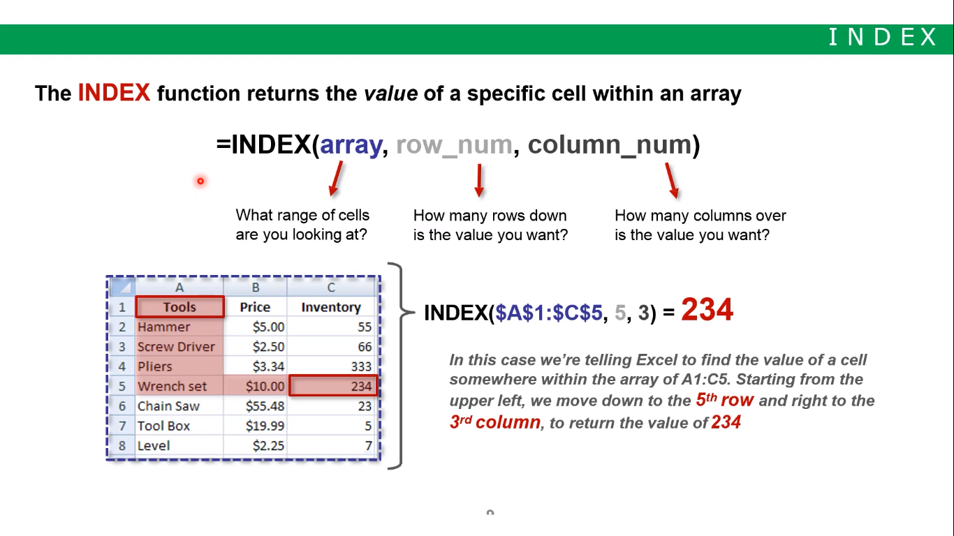
Price Chart |  |  |  |  | Understanding Index & Match
 | Small | Medium | Large |  | A | E | I | Hammer | Jatan | Kanci | Tanmay | Mitali | Mitanshi | Anshu | Yash
Sweater | $10 | $12 | $15 |  | B | F | J | Plier
Jacket | $30 | $35 | $40 |  | G | G | K | Scissor
Pant | $25 | $30 | $35 |  | D | H | L | Utensil
 |  |  |  |  |  |  |  | Spoon
Product: | Pant |  | ROW | 4 | Index K | K |  | Screwdriver
 |  |  | COLUMN | 2 | Match A | 1
Size | Small |  |  |  | Match G | 1 | scans left to right

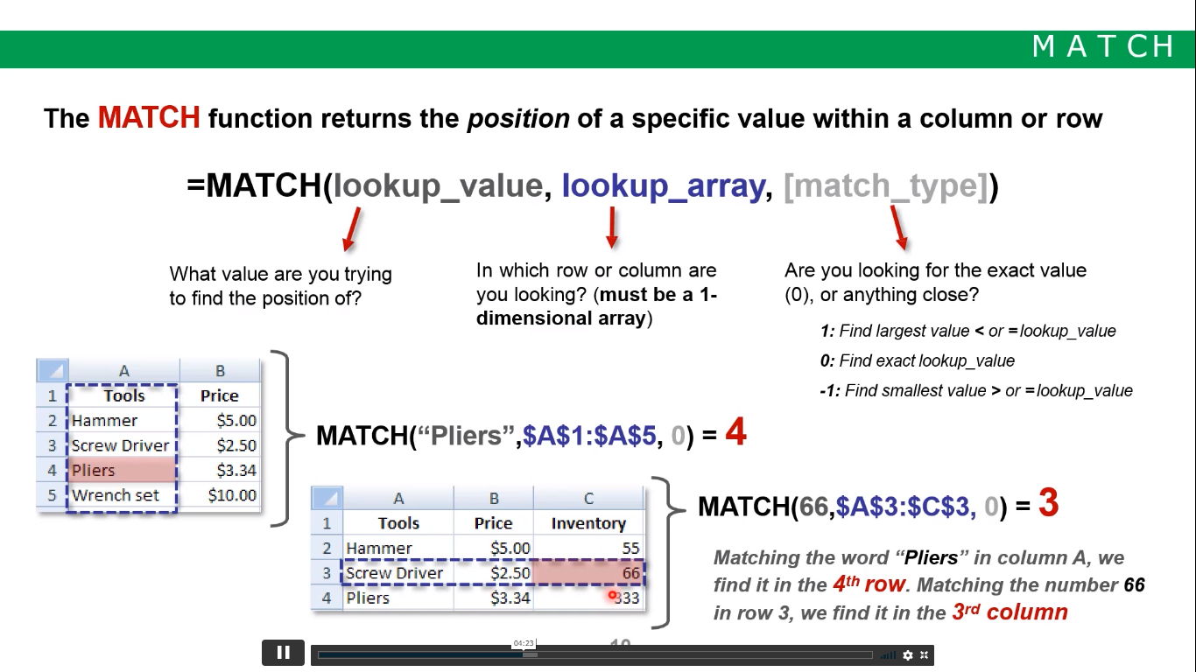
PRICE: | $25.00 |  | 1. Try Vlookup first
 |  |  | 2. Learn how to do it with IndexMatch
 | Above is dynamic way -Index match combo

